Sheet1
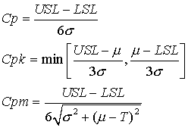
Process Capability

x-bar = | 16
Sample Standard Deviation = | 1.8
Lower Specification = | 8.0
Upper Specification = | 20
Cp = | 1.111
Cpk = | 0.74074074074

